Introduction
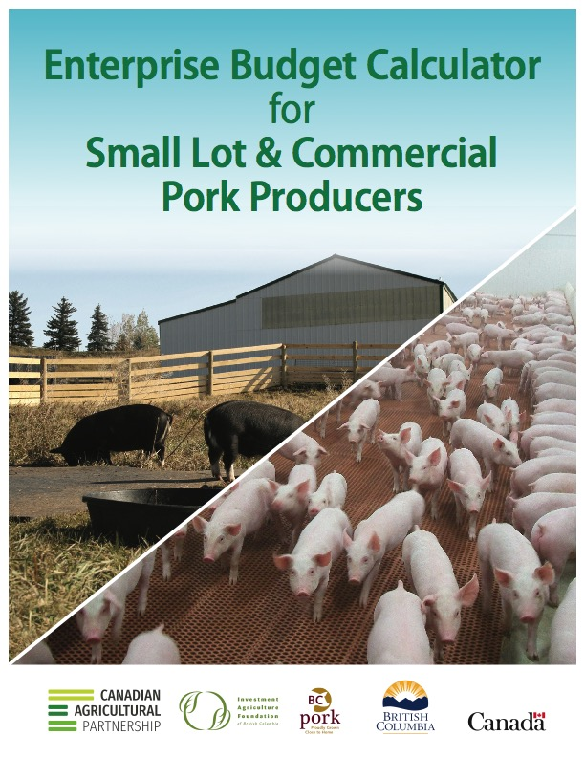

Instructions
OBJECTIVES
• To provide an intuitive budget format for determining net income and costs of producing pork.
• To provide a flexible budget format to accomodate various production scenarios and combinations therof.
INSTRUCTIONS
There are five (5) worksheets in this budget program. They include: (1) Primary Inputs, (2) Income + Direct Expenses, (3) Indirect + Operating Expenses, (4) Capital Expenses, (5) Net Income + Per Unit Analysis. Depending how detailed the user wants to get concerning production costs, all worksheets may require the user to input information.
Worksheet cells highlighted in yellow require the user to input data. Cells highlighted in blue are automatically generated from data inputted by the user in other worksheets (i.e., Primary Inputs) or are calculated outputs.
Primary Inputs is a key worksheet. User is prompted to input key production and sales data. This forms the basis for other worksheet calculations and outputs. Primary Inputs tab includes reference tables regarding values for daily feeding amounts by animal type, and salvage values and useful life for buildings, equipment and machinery.
Income + Direct Exp is a worksheet that will recognize various revenue streams, including farms selling carcasses or cuts of meat. Under Income, if there are carcass and/or meat cuts sales, the user needs to input the appropriate figures. The remainder of this tab focuses on Direct Expenses (e.g., feed, herd health, sanitation).
Indirect + Operating Exp is a worksheet where the user inputs indirect production costs (e.g., property taxes, insurance, building repairs). For farms operating multiple enterprises (e.g., pork, beef), the Indirect Expenses table allows the user to allocate a percentage (%) of each expense to the pork enterprise based on % of total farm revenue derived from pork sales (see table footnote). Total Operating Expenses (i.e., Direct + Indirect Expenses) including Interest on Operating Expenses are calculated at the end of this tab.
Capital Exp is a worksheet that addresses Capital Expenses for Depreciation and Investment on buildings, equipment, machinery and livestock. The user inputs data for each expense. For farms operating multiple enterprises, the user inputs the % allocations of each expense to the pork enterprise based on % of total farm revenue derived from pork sales (see table footnote).
Net Income + Per Unit Analysis combines all calculations into a summary of Total Income, Total Expenses, and Net Income (Table XII). Table XIII provides more in-depth analysis of income and expenses on a per unit basis (see table footnote). For farms with multiple revenue streams (e.g., weanling sales, market hog sales, carcass meat sales), this worksheet will automatically calculate the % of total pork revenues attributed to each revenue stream as well as per unit analysis (e.g., per weaner, per market hog, per lb or kg meat).
Footnote: Prior to using this program, users are advised to review SECTION 3: PRODUCTION ECONOMICS of the Small Lot Pork Producer Resource Manual that was published by B.C. Pork in 2020 (www.bcpork.ca). Section 3 includes a copy of the same program worksheets and detailed background information on all expense items.
ACKNOWLEDGEMENTS
Funding was provided in part by B.C. Pork, through the Hog Industry Development Fund and the Canadian Agricultural Partnership, a five-year, $3 billion investment by federal, provincial and territorial governments to strengthen the agriculture, agri-food and agri-based products sector, ensuring continued innovation, growth and prosperity.
LEGAL DISCLAIMER
This budget calculator is only a guideline to calculate costs of pork production and per unit analyses. Neither B.C. Pork nor any of its funding partners (i.e., Government of Canada, the B.C. Ministry of Agriculture and their directors, agents, employees or contractors ) shall be held liable for any claims, damages or losses of any kind whatsoever arising out of improper or incorrect use of information generated from this budget calculator and assumes no responsibility for any direct, indirect, incidental, special, exemplary, or consequential damages that anyone incurs from the use of this information.
PROGRAM VERSION
Version 2020-10-01
This program is compatible with Excel 2016, Excel 2019 and Excel 365.
FOR FURTHER INFORMATION
Please view B.C. Pork’s website (www.bcpork.ca) under Small Lot Pork Producers for the most current version of the Small Lot Pork Producer Resource Manual. Specific reading as it relates to this program budget can be found in SECTION 3: PRODUCTION ECONOMICS.

